Diagram
 | Displacement at mid-span [mm]
0.00E+00 | 0.00E+00
1.00E-02 | -1.23E-01
2.00E-02 | -2.45E-01
3.00E-02 | -3.68E-01
4.00E-02 | -4.90E-01
5.00E-02 | -6.13E-01
6.00E-02 | -7.36E-01
7.00E-02 | -8.58E-01
8.00E-02 | -9.81E-01
9.00E-02 | -1.10E+00
1.00E-01 | -1.23E+00
1.10E-01 | -1.35E+00
1.20E-01 | -1.47E+00
1.30E-01 | -1.59E+00
1.40E-01 | -1.72E+00
1.50E-01 | -1.84E+00
1.60E-01 | -1.96E+00
1.70E-01 | -2.08E+00
1.80E-01 | -2.21E+00
1.90E-01 | -2.33E+00
2.00E-01 | -2.45E+00
2.10E-01 | -2.58E+00
2.20E-01 | -2.70E+00
2.30E-01 | -2.82E+00
2.40E-01 | -2.94E+00
2.50E-01 | -3.07E+00
2.60E-01 | -3.19E+00
2.70E-01 | -3.31E+00
2.80E-01 | -3.43E+00
2.90E-01 | -3.56E+00
3.00E-01 | -3.68E+00
3.10E-01 | -3.80E+00
3.20E-01 | -3.92E+00
3.30E-01 | -4.05E+00
3.40E-01 | -4.17E+00
3.50E-01 | -4.29E+00
3.60E-01 | -4.41E+00
3.70E-01 | -4.54E+00
3.80E-01 | -4.66E+00
3.90E-01 | -4.78E+00
4.00E-01 | -4.90E+00
4.10E-01 | -5.03E+00
4.20E-01 | -5.15E+00
4.30E-01 | -5.27E+00
4.40E-01 | -5.40E+00
4.50E-01 | -5.52E+00
4.60E-01 | -5.64E+00
4.70E-01 | -5.76E+00
4.80E-01 | -5.89E+00
4.90E-01 | -6.01E+00
...

Deflected shape
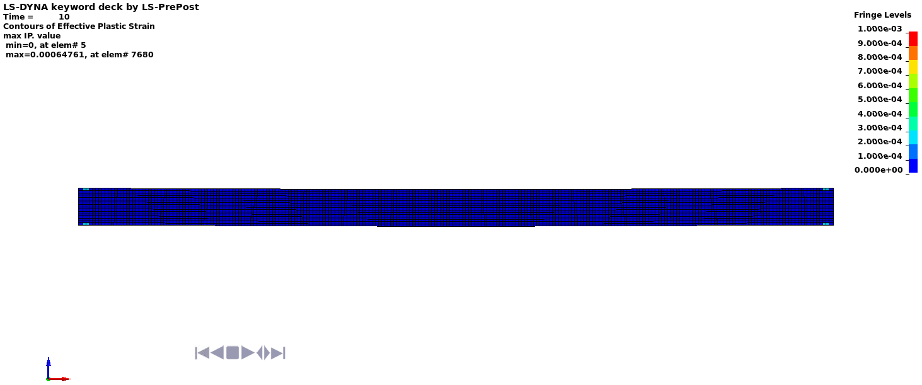

Deflected shape with visible contours of plasticity - side view

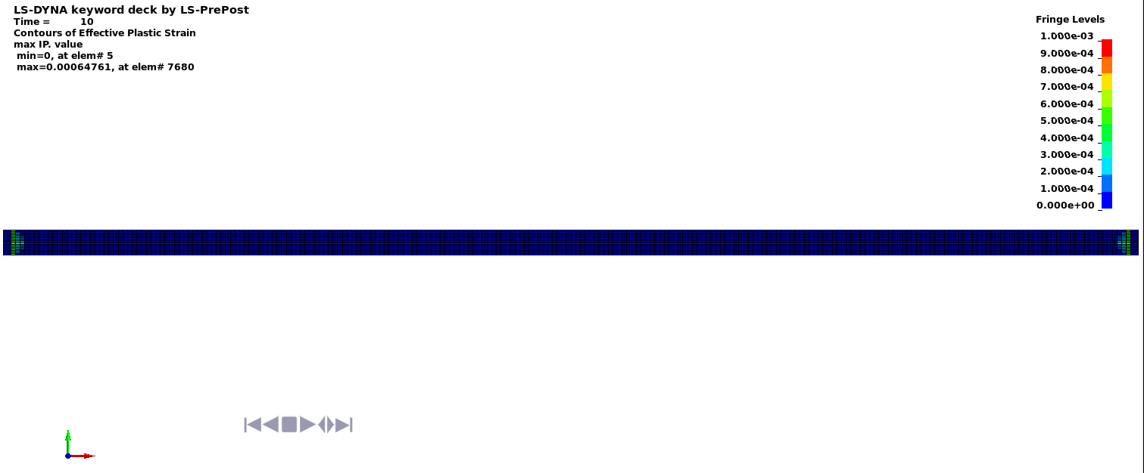

Deflected shape with visible contours of plasticity - top view

